BAYU AGNI MERTA (Gas)
DATE | INV NO. | DESCRIPTIONS | QTY | BILLS | PRICE | TOTAL
2026-01-03 | 0163 | LPG 50 KG | 4 | 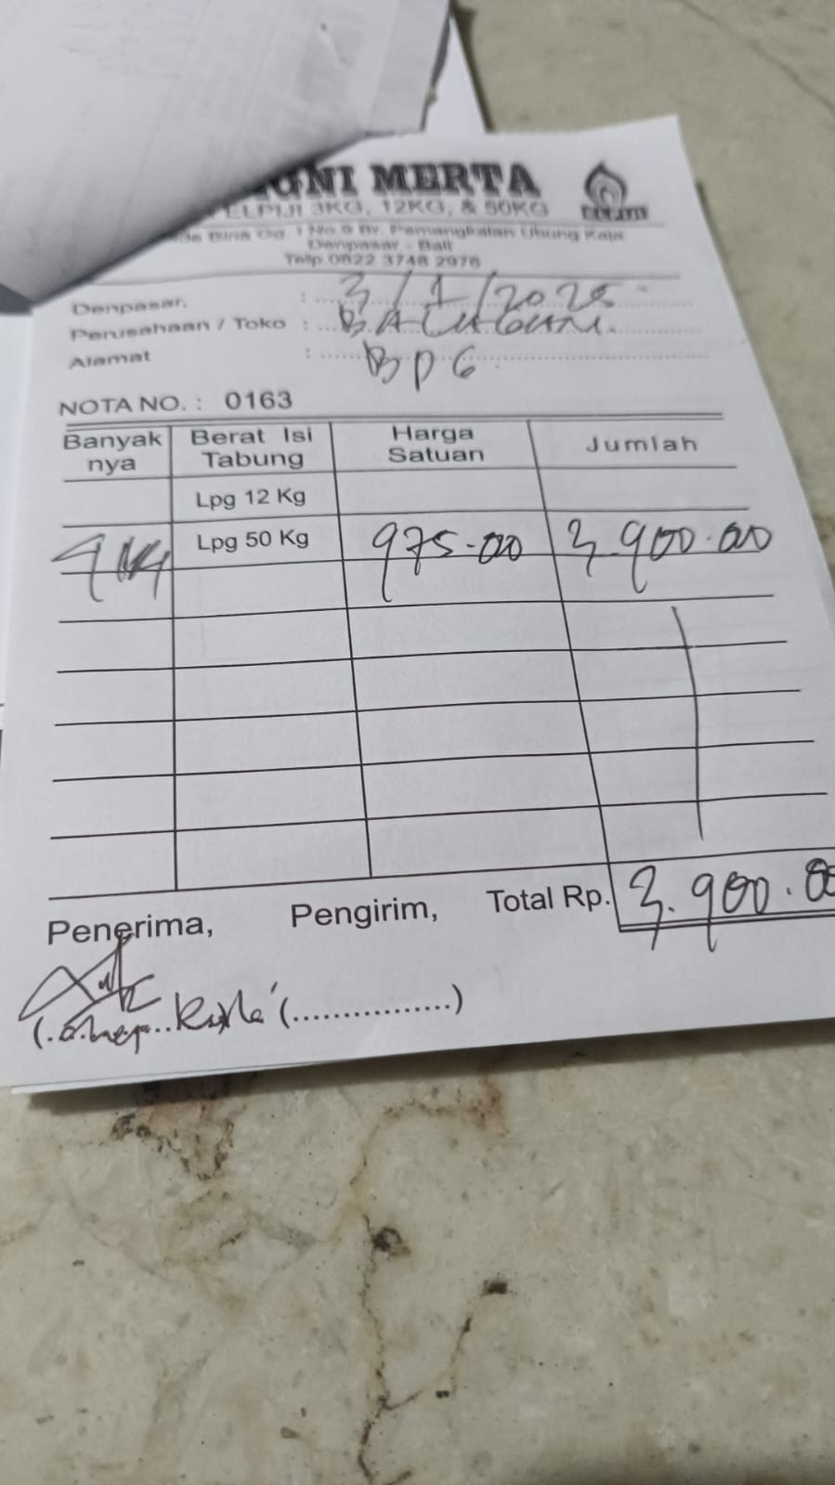 | IDR 975,000 | IDR 3,900,000
2026-01-16 | 0172 | LPG 50 KG | 4 | 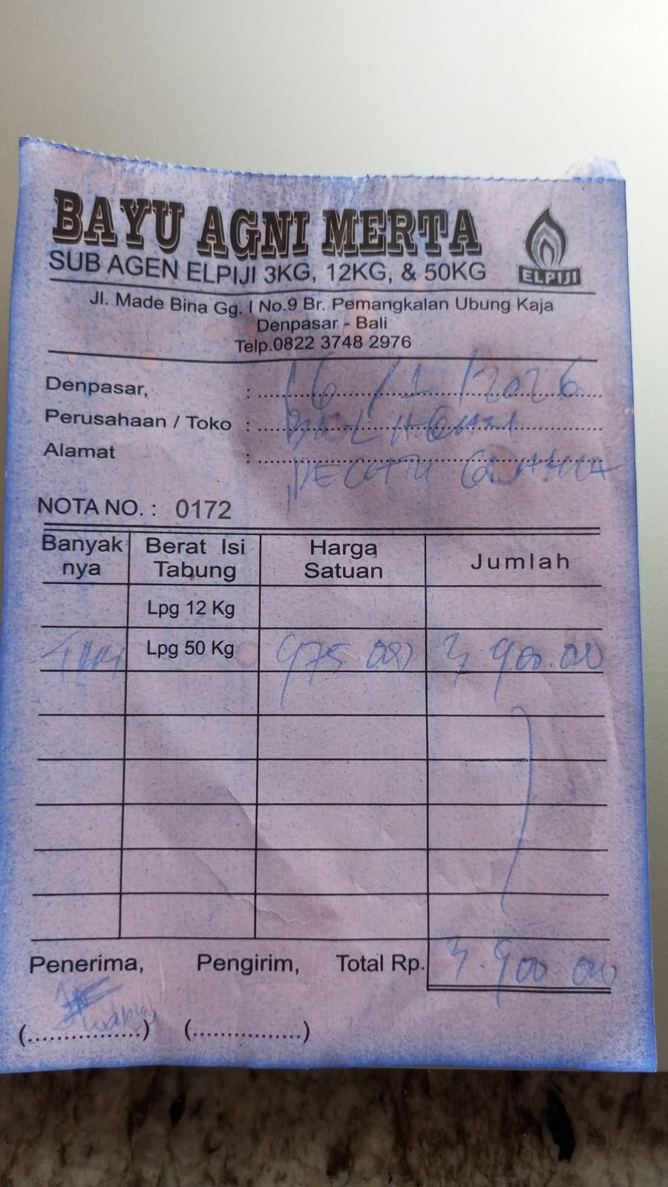 | IDR 975,000 | IDR 3,900,000
2026-01-27 | Rp179 | LPG 50 KG | 5 | 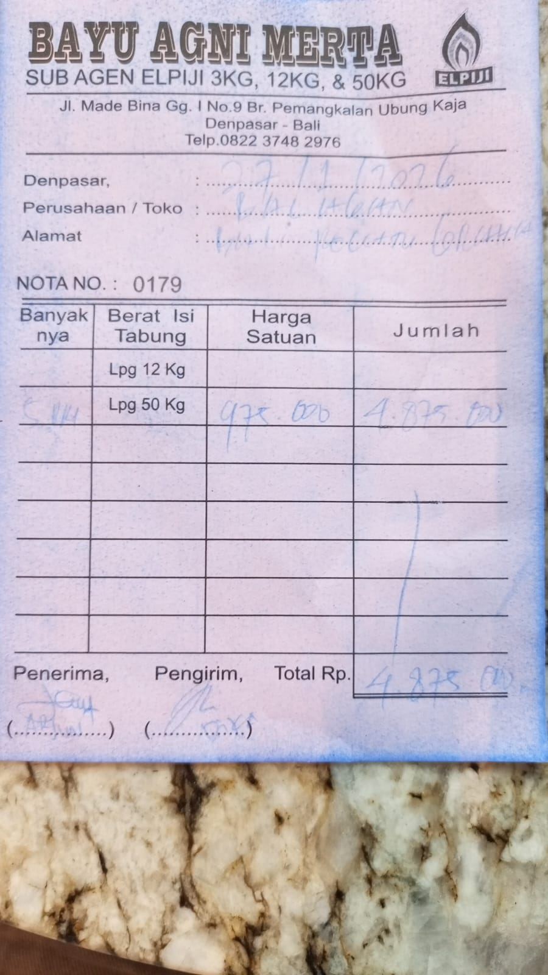 | IDR 975,000 | IDR 4,875,000
 |  |  |  |  |  | IDR -
TOTAL |  |  |  | Rp12,675,000

